BA
BUSINESS PERFORMANCE REPORT

BUSINESS GROWTH BY PROFIT
 | Total
1 | 12.81
2 | 74.0845
3 | 146.034
4 | 319.1825
1 | 285.2115
2 | 379.6135
3 | 411.4495
4 | 691.971
1 | 1175.986
2 | 1636.0855
3 | 1728.258
4 | 2501.891
1 | 2241.8935
BUSINESS GROWTH BY USERS
 | quarter | users
2012 | 1 | 60
2012 | 2 | 346
2012 | 3 | 682
2012 | 4 | 1486
2013 | 1 | 1264
2013 | 2 | 1700
2013 | 3 | 1819
2013 | 4 | 2598
2014 | 1 | 3033
2014 | 2 | 3800
2014 | 3 | 3979
2014 | 4 | 5830
2015 | 1 | 5327

PROFIT GAP EFFECT
 | EFFECTED PROFIT PERCENTAGE
2012 | 6.88
2013 | 4.14
2014 | 3.012
AVERAGE ORDER VALUE
 | Total
1 | 49.99
2 | 49.99
3 | 49.99
4 | 49.99
1 | 52.142395915
2 | 51.539213745
3 | 51.922799134
4 | 57.65815562
1 | 68.270406588
2 | 70.734449568
3 | 70.811599854
4 | 70.21095976
1 | 69.398626639

RA
REFUNDS ANALYSIS REPORT

REFUND PERCENT BY YEAR
 | Total
2012 | 22
2013 | 19
2014 | 18
AVERAGE REFUND PERCENT BY QUARTERS
 | Total
1 | 3.5
2 | 5
3 | 6.6666666667
4 | 4.3333333333

MEDIAN REFUND DURATION
IS 9 DAYS
QUARTER | RETURN TRIGGER
1 | 22
2 | 19
3 | 11
4 | 22

PA
PRODUCTS ANALYSIS REPORT

REPEAT ORDER BY USERS
 | users
YES | 591
NO | 31106
PRODUCT NAME | REFUND PERCENT | COST | PRICE | PROFIT | CUSTOMER RETENTION
The Birthday Sugar Panda | 6 | 14.49 | 45.99 | 31.5 | 31.037
The Forever Love Bear | 2 | 22.49 | 59.99 | 37.5 | 28.547
The Hudson River Mini bear | 1 | 9.49 | 29.99 | 20.5 | 27.836
The Original Mr. Fuzzy | 5 | 19.49 | 49.99 | 30.5 | 27.372

PRODUCT NAME | MOST BASKET PRODUCT | BASKET ORDERS | MPO% | ORDERS% AS PRIMARY PRODUCT | FREQUENT SHOPPING HOUR
The Birthday Sugar Panda | The Hudson River Mini bear | 640 | 59.097291876 | 61.544633902 | 16
The Forever Love Bear | The Hudson River Mini bear | 671 | 32.298136646 | 82.867494824 | 15
The Hudson River Mini bear | The Birthday Sugar Panda | 22 | 89.358310084 | 11.578318055 | 17
The Original Mr. Fuzzy | The Hudson River Mini bear | 3126 | 25.270370676 | 98.493354248 | 13

PRODUCT NAME | MAIN PAGEVIEW URL | MAX PAGE VISIT | SALES BOUNCED | SALES CONVERTED | BOUNCE PERCENTAGE | APDP PAGEVIEW URL | MAX_PAGE_VISIT
The Birthday Sugar Panda | /lander-5 | 1496 | 15978 | 3068 | 83.891630789 | /cart | 5743
The Forever Love Bear | /lander-2 | 1837 | 21230 | 4803 | 81.550339953 | /cart | 9682
The Hudson River Mini bear | /lander-5 | 1766 | 2029 | 581 | 77.739463602 | /cart | 1119
The Original Mr. Fuzzy | /lander-2 | 7873 | 138664 | 23861 | 85.318566374 | /cart | 46096

UNITS SOLD
 | Total
The Birthday Sugar Panda | 886
The Forever Love Bear | 754
The Hudson River Mini bear | 952
The Original Mr. Fuzzy | 1631
The Birthday Sugar Panda | 854
The Forever Love Bear | 486
The Hudson River Mini bear | 806
The Original Mr. Fuzzy | 1546
The Birthday Sugar Panda | 887
The Forever Love Bear | 512
The Hudson River Mini bear | 894
The Original Mr. Fuzzy | 1738
The Birthday Sugar Panda | 736
The Forever Love Bear | 770
The Hudson River Mini bear | 1414
The Original Mr. Fuzzy | 2616
(blank)
PRIMARY PRODUCT REFUND PERCENT
 | refund_percentage
NO | 2.5804735302
YES | 4.9941512867

LAST YEAR (2015) UNITS SOLD
 | The Birthday Sugar Panda | The Forever Love Bear | The Hudson River Mini bear | The Original Mr. Fuzzy
units_sold | 1118 | 1261 | 1497 | 3369

WA
WEB ANALYTICS REPORT

USERS PROPORTION BY DEVICE
 | users
desktop | 288580
mobile | 133839
BOUNCE RATE
 | SESSIONS
NO | 440558
YES | 32313
WEBSESSIONS WITH ORDERS
 |  |  |  |  | main_page | sessions | to_product | to_cart | to_shipping | to_billing | to_thankyou | CVR
 |  |  |  |  | home | 137576 | 82627 | 31326 | 21997 | 18156 | 12108 | 14.7
 |  |  |  |  | lander1 | 47574 | 22244 | 7146 | 4922 | 4029 | 2157 | 9.7
 |  |  |  |  | lander2 | 131170 | 73852 | 29428 | 21071 | 17772 | 12059 | 16.3
 |  |  |  |  | lander3 | 79000 | 40024 | 12251 | 7547 | 5563 | 3436 | 8.6
BOUNCE RATE
93%
 |  |  |  |  | lander4 | 9385 | 4766 | 2059 | 1515 | 1298 | 940 | 19.7
 |  |  |  |  | lander5 | 68166 | 45430 | 20455 | 15144 | 12952 | 9325 | 20.5

CONTENT ENGAGEMENTS
 | NULL | b_ad_1 | b_ad_2 | g_ad_1 | g_ad_2 | social_ad_1 | social_ad_2
engagements | 83328 | 54909 | 7914 | 282706 | 33329 | 5095 | 5590

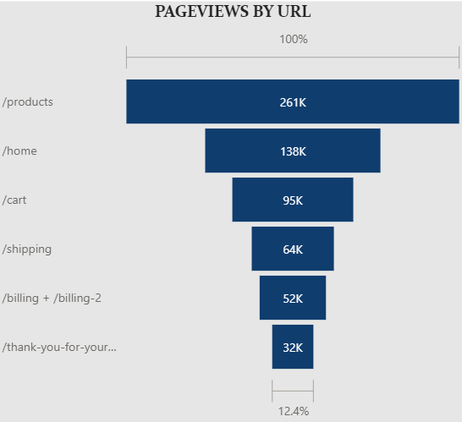
AVERAGE WEBSESSION DURATION
IS 4 MINUTES

utm_source | utm_campaign | sessions | orders | conversion_percentage
NULL | NULL | 83328 | 6118 | 7.3420698925
bsearch | brand | 7914 | 701 | 8.8577204953
bsearch | nonbrand | 54909 | 3818 | 6.9533227704
gsearch | brand | 33329 | 2511 | 7.5339794173
gsearch | nonbrand | 282706 | 18822 | 6.6577999759
socialbook | desktop_targeted | 5590 | 288 | 5.1520572451
socialbook | pilot | 5095 | 55 | 1.0794896958

